Dashboard
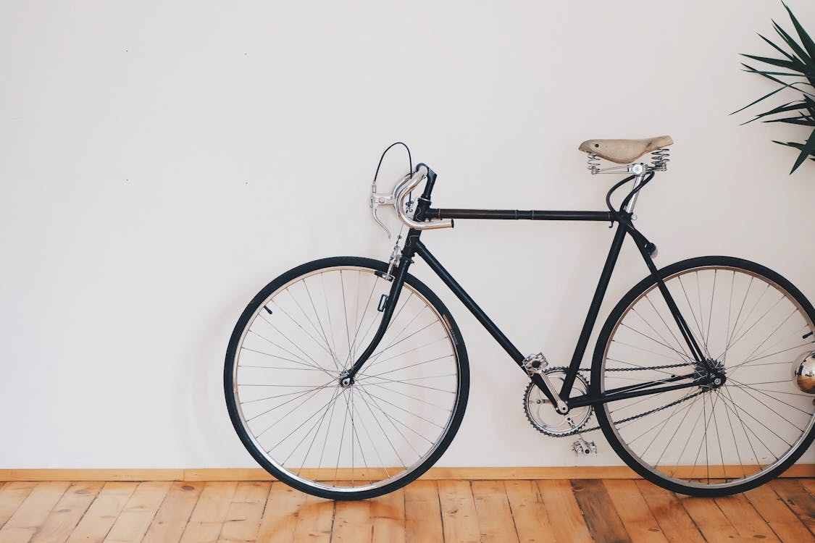
Bike Sales Dashboard

Average Income Per Purchase
 | No | Yes
Female | $53,440 | $55,774
Male | $56,208 | $60,124
Customer Age Brackets
 | No | Yes
19-29 | 48 | 35
30-49 | 293 | 324
50-69 | 169 | 116
70+ | 9 | 6

Customer Purchasing Behavior Based on Commute
 | No | Yes
0-1 Miles | 166 | 200
1-2 Miles | 92 | 77
2-5 Miles | 67 | 95
5-10 Miles | 116 | 76
10+ Miles | 78 | 33

Pivot Table
Average Income Per Purchase
Average of Income | Column Labels
Row Labels | No | Yes | Grand Total
Female | $53,440 | $55,774 | $54,581
Male | $56,208 | $60,124 | $58,063
Grand Total | $54,875 | $57,963 | $56,360

 | Count of Purchased Bike | Column Labels
 | Row Labels | No | Yes | Grand Total
 | 0-1 Miles | 166 | 200 | 366
 | 1-2 Miles | 92 | 77 | 169
 | 2-5 Miles | 67 | 95 | 162
 | 5-10 Miles | 116 | 76 | 192
 | 10+ Miles | 78 | 33 | 111
 | Grand Total | 519 | 481 | 1000
Customer Communte

 | Count of Purchased Bike | Column Labels
 | Row Labels | No | Yes | Grand Total
 | 19-29 | 48 | 35 | 83
 | 30-49 | 293 | 324 | 617
 | 50-69 | 169 | 116 | 285
 | 70+ | 9 | 6 | 15
 | Grand Total | 519 | 481 | 1000

Customer Age Brackets

